Scout Group Home
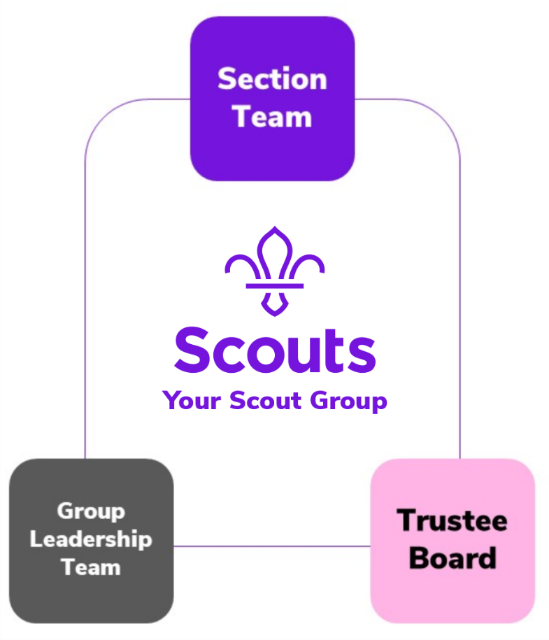
 | This plannnig tool will help you move your group from our current structure to our new team stucture. | Click below for:


Scout Group Team Planner

In each Scout Group, there are three types of teams: - The Section Teams run high-quality programmes safely - The Group Leadership Team helps all volunteers in the Group (including Young Leaders) work together to plan and run high-quality programmes - The Group Trustee Board provides charity governance for the Group Some Groups might find it helpful to use sub-teams, such as a maintenance or fundraising sub-team of the Leadership Team.

Click on a team on the group diagram to jump to the team page….

My Notes
Start making changes - Set up the new team structures, start using the new role titles and the new team descriptions. - Support learning by creating peer networks, and share ideas and resources in your County. - Some things will need to wait until the new digital systems go live. For example, being formally recorded with your new role title, using the new learning system, and delegating tasks through accreditations. However, you don’t need to wait for the new digital systems to start informally put these structures in place.

Section Team
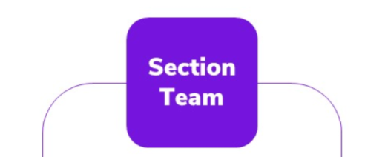
Click on a team on the group diagram to jump to the team page….

